SYBR Green
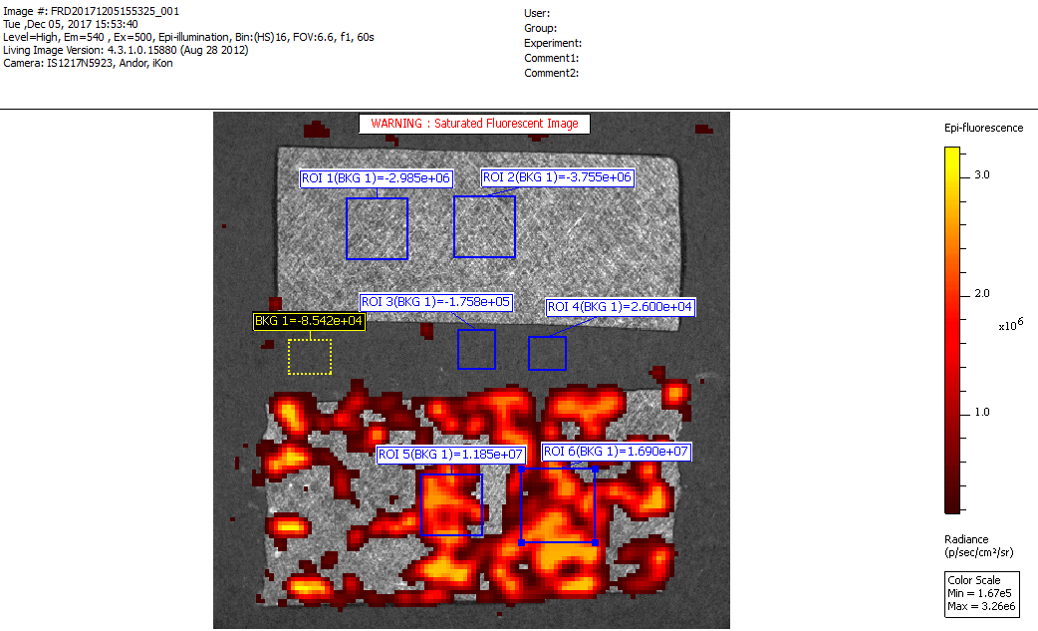
 | Image Number | ROI | Image Layer | Bkg ROI | Total Flux [p/s] | Avg Radiance [p/s/cm²/sr] | Stdev Radiance | Min Radiance | Max Radiance | Area [cm²] | Xc [cm] | Yc [cm] | Width [cm] | Height [cm]
 | FRD20171205155325_001 | BKG 1 | Overlay | _none_ | -8.54E+04 | -3.12E+04 | 1.93E+04 | -6.01E+04 | 3.01E+04 | 2.18E-01 | 1.24E+00 | 3.13E+00 | 5.36E-01 | 4.34E-01
control | FRD20171205155325_001 | ROI 1 | Overlay | BKG 1 | -2.98E+06 | -4.01E+05 | 4.26E+04 | -4.90E+05 | -2.21E+05 | 5.93E-01 | 2.09E+00 | 1.49E+00 | 7.76E-01 | 7.76E-01
control | FRD20171205155325_001 | ROI 2 | Overlay | BKG 1 | -3.76E+06 | -5.04E+05 | 5.10E+04 | -5.65E+05 | -2.92E+05 | 5.93E-01 | 3.47E+00 | 1.47E+00 | 7.76E-01 | 7.76E-01
background | FRD20171205155325_001 | ROI 3 | Overlay | BKG 1 | -1.76E+05 | -6.42E+04 | 6.08E+04 | -1.45E+05 | 1.32E+05 | 2.18E-01 | 3.36E+00 | 3.03E+00 | 4.71E-01 | 4.97E-01
background | FRD20171205155325_001 | ROI 4 | Overlay | BKG 1 | 2.60E+04 | 9.50E+03 | 3.17E+04 | -5.44E+04 | 8.52E+04 | 2.18E-01 | 4.27E+00 | 3.08E+00 | 4.71E-01 | 4.20E-01
treatment | FRD20171205155325_001 | ROI 5 | Overlay | BKG 1 | 1.18E+07 | 1.59E+06 | 7.04E+05 | -4.70E+04 | 2.63E+06 | 5.93E-01 | 3.04E+00 | 5.02E+00 | 7.76E-01 | 7.76E-01
treatment | FRD20171205155325_001 | ROI 6 | Overlay | BKG 1 | 1.69E+07 | 1.45E+06 | 7.80E+05 | -1.01E+05 | 2.67E+06 | 9.26E-01 | 4.40E+00 | 5.03E+00 | 9.43E-01 | 9.43E-01

Propidium Iodide
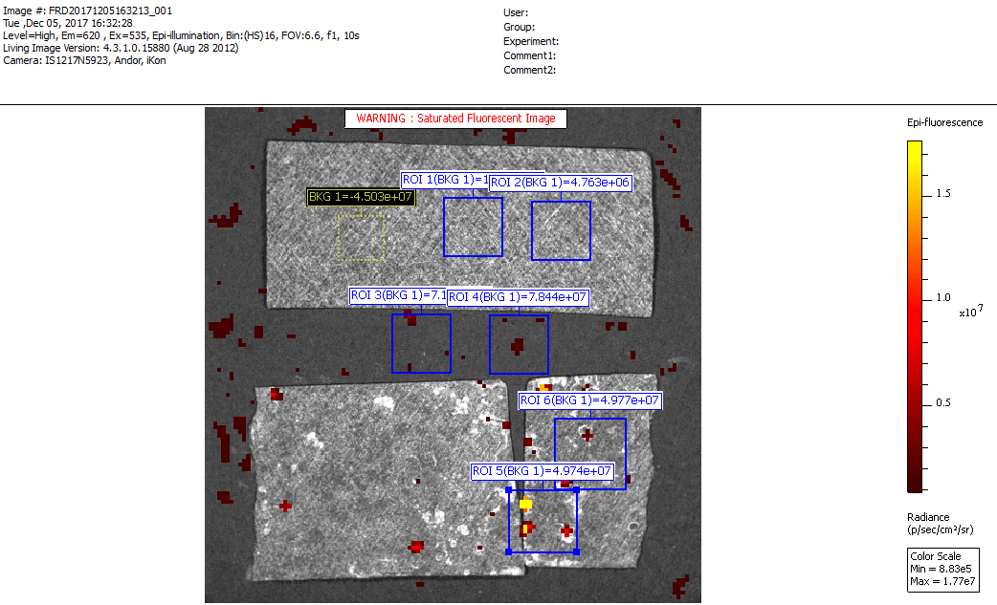
 | Image Number | ROI | Image Layer | Bkg ROI | Total Flux [p/s] | Avg Radiance [p/s/cm²/sr] | Stdev Radiance | Min Radiance | Max Radiance
 | FRD20171205163213_001 | BKG 1 | Overlay | _none_ | -4.50E+07 | -9.79E+06 | 1.15E+05 | -1.01E+07 | -9.42E+06
control | FRD20171205163213_001 | ROI 1 | Overlay | BKG 1 | 1.32E+06 | 1.78E+05 | 2.30E+05 | -2.28E+05 | 7.15E+05
control | FRD20171205163213_001 | ROI 2 | Overlay | BKG 1 | 4.76E+06 | 6.39E+05 | 1.80E+05 | 2.62E+05 | 1.05E+06
background | FRD20171205163213_001 | ROI 3 | Overlay | BKG 1 | 7.12E+07 | 9.55E+06 | 7.88E+05 | 8.21E+06 | 1.49E+07
background | FRD20171205163213_001 | ROI 4 | Overlay | BKG 1 | 7.84E+07 | 9.83E+06 | 5.70E+05 | 8.20E+06 | 1.22E+07
treatment | FRD20171205163213_001 | ROI 5 | Overlay | BKG 1 | 4.97E+07 | 5.13E+06 | 5.24E+06 | 1.69E+06 | 2.74E+07
treatment | FRD20171205163213_001 | ROI 6 | Overlay | BKG 1 | 4.98E+07 | 4.28E+06 | 2.94E+06 | 1.28E+06 | 1.71E+07

